House of Quality- 2nd step
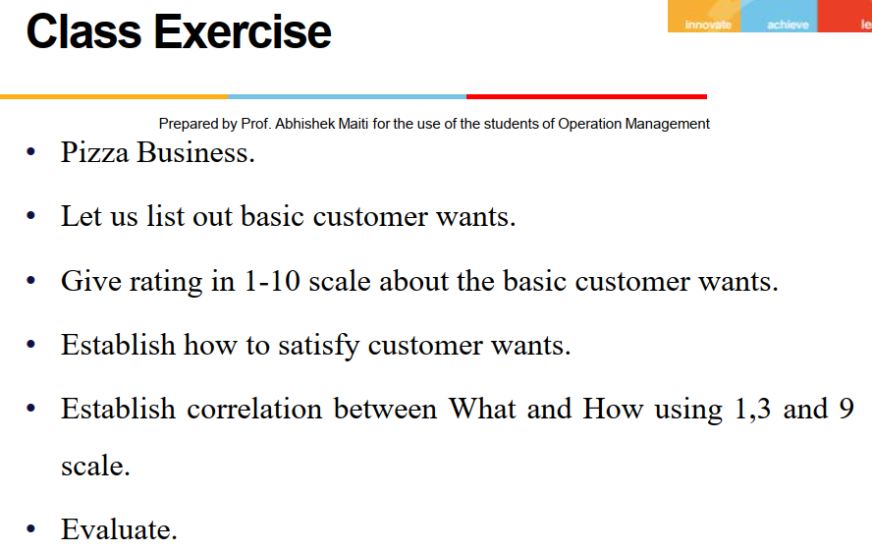
Show Correlations here

 | Minimize or Maximize
 | House Of Quality |  |  | Technical Specifications (How)
 |  |  |  | Good Ifrastrcture |  | Deployment of proper delivery crew |  | Deployment of experienced personnel (efficient in-store processes) |  | Use of Technology and Digital support (Digital Platforms / Mobile Ordering Apps) |  | Use of good quality Raw materials |  | Product improvisation and promotional offers (Appearance , Variety , offers, Packaging etc) |  | Cost Optimization

 |  |  |  |  |  |  |  |  |  |  |  |  |  |  |  |  |  | Competitive Assessment
 |  | Customer Requirements (What) | Importance |  |  |  |  |  |  |  |  |  |  |  |  |  |  | 1 | 2 | 3 | 4
 | 1 | Good taste | 10 | 1 | 10 | 1 | 10 | 9 | 90 | 1 | 10 | 9 | 90 | 3 | 30 |  | 0
 | 2 | Reasonable rate | 8 | 3 | 24 | 3 | 24 | 9 | 72 | 9 | 72 | 9 | 72 | 3 | 24 | 9 | 72
 | 3 | Fast delivery | 7 | 3 | 21 | 9 | 63 |  | 0 | 9 | 63 |  | 0 |  | 0 |  | 0
 | 4 | Freshness and hyginic | 9 | 9 | 81 | 1 | 9 | 9 | 81 | 9 | 81 | 1 | 9 | 1 | 9 | 3 | 27
 | 5 | Good packaging | 7 | 3 | 21 | 1 | 7 | 3 | 21 | 1 | 7 | 1 | 7 | 3 | 21 | 9 | 63
 | 6 | Variety | 6 | 3 | 18 |  | 0 |  | 0 |  | 0 |  | 0 | 9 | 54 | 3 | 18
 | 7 | Appearance | 8 |  |  | 1 | 8 | 3 | 24 |  | 0 | 3 | 24 | 9 | 72 |  | 0
 | 8 | Shop environment
 | 9
 | 10
 |  |  |  |  | 175 |  | 121 |  | 288 |  | 233 |  | 202 |  | 210 |  | 180

1) First fill customer requirements
2) Rate those requiremets to a scale ( here importance {1 to 10})
3) Then, How to fulfill those requirements ( vertical cells)
4) Go to House roof to derive Correlations between diff Tech Specification
5) Now relationship between What and How ( 1=weak , 3=Medium, 9= Strong)

Technical Assessment

